Assumption
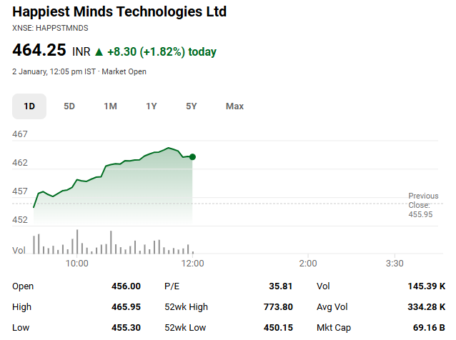
Scenario Manager |  |  | Company Name | Happiest Minds Technologies Ltd
Base Case | 2 |  | ISIN Code | INE419U01012
 |  |  | Sector Name | IT-Software
Assumptions |  |  | Industry | Computers - Software & Consulting
Transaction Date | 2026-01-08 |  | Exchange Name | BSE: 543227 | NSE: HAPPSTMNDS
Fiscal Year End | 2026-03-31 |  | Website | happiestminds.com
Risk Free Rate | 6.6% |  | Company Description | Happiest Minds Technologies Ltd. is a next-generation IT solutions and services company that was founded in 2011. It specializes in infrastructure management and security services, generative artificial intelligence, and product and digital engineering. It operates in the United States, United Kingdom, Canada, Australia, and the Middle East, with its headquarters located in Bengaluru, India. Clientele The company now has 281 active clients as of FY25, up from 206 in FY22. Of these, 85 are listed within the Fortune 2000 and Forbes 200 list of billion-dollar companies. Repeat business accounts for 94% of its revenue. In FY26 and beyond, the business anticipates robust double-digit organic growth.
Addition In FSA | 0.5%
Addition In Tax rate / 2 years | 0.5%
Addition In Dep | 0.5%
Tax Rate | 28%
EV/EBITDA Multiple | 15.51x
Perpetual Growth Rate | 6%
Discount Rate | 12.99%
Shares Outstanding(Lakhs) | 1523.0
Current Market Price | ₹ 459
Market Cap (Lakhs.) | ₹ 699,057

Colour Code
Blue colour | Hardcoded Figures
Black colour | Calculated Figures
Green Colour | Link Data figures

Items | Sheet |  | Reference | Assumptions

Revenue Segment by Geography | Revenue Buildup | B13:Q54 |  | For the forecasted year, the base growth rate is calculated as the average of the historical years. Best- and worst-case scenarios are set at ±5% around this base. Revenue is segmented across USA, India, Europe, and Other countries. A uniform annual tapering rate ( 14%) is applied across all segments, calibrated such that the highest revenue segment converges to the perpetual growth rate of 6%. This annual tapering also ensures that total company revenue gradually reaches the same perpetual growth rate of 6% over the forecast period.

Revenue of India | Revenue Buildup | B15:Q23 |  | India revenue growth is based on the average historical growth rate (from 2023-2025) for base case, with ±5% variation for best and Worst cases, and an annual tapering of 14% applied over the forecast period.
Revenue of USA | Revenue Buildup | B26:Q34 |  | USA revenue growth is based on the average historical growth rate for base case, with ±5% variation for best and Worst cases, and an annual tapering of 14% applied over the forecast period that reached at the perpetual growth rate of 6 %.
Revenue of Europe | Revenue Buildup | B36:Q44 |  | Europe revenue growth is based on the average historical growth rate(From 2023 to 2025) for base case, with ±5% variation for best and Worst cases, and an annual tapering of 14% applied over the forecast period.
Revenue of Others | Revenue Buildup | B46:Q54 |  | Historical revenue growth for other countries is highly irregular. therefore, a normalized growth rate of 25% is assumed for the forecast year, with an annual tapering of 14% applied to gradually converge to the perpetual growth rate.
Total Revenue | Revenue Buildup | G6 |  | The Segment wise total revenue and the total Revenue in Annual Report is differ by 1 in the year 2025, so in this case I take the P&L statement Revenue.
Exceptional Items | Revenue Buildup | B37:Q38 |  | exceptional Items Taken as a percentage of revenue. For forecasted years (2026–2035), derived from the historical average of 2021–2025.
Other Income | Revenue Buildup | B33:Q34 |  | Other Income: Taken as a percentage of revenue. For forecasted years (2026–2035), derived from the historical average of 2021–2025.

Other Expenses | Cost Build_up | B15:Q16 |  | The first five years show actual historical percentages of revenue. For the forecasted period (2026–2035), other expenses are assumed based on the average percentage of revenue from 2021–2025, stabilizing around 17% and increasing proportionally with revenue growth.

Perpetual Growth Rate | Assumptions | C20 |  | For calculating the Terminal Value in the DCF model, a perpetual growth rate of 6% has been assumed. This is aligned with India’s long-term GDP growth outlook, which is forecasted at approximately 6%

Effective Tax Rate | Cost Build_up | B21:Q22 |  | Taxes for the historical years are based on actual PBT percentages. For the forecasted years (2026–2035), taxes for projected year taken as the latest year of the tax ( which is 2025 tax rate ), and aslo adding the growing tax rate of 0.5 % every 2 year.

Cash and Cash Equivalent | Historical Balance Sheet | B29:G29 |  | Cash and cash equivalents have been adjusted by reducing the bank overdraft balances of ₹7,119 in FY2023 and ₹573 in FY2024, as disclosed under the Components of Cash and Cash Equivalents in the Annual Report (page 281), to ensure that the closing cash balance reconciles with the cash flow statement.

Bank balance other than cash and cash equivalents | Historical Balance Sheet | B30:G30 |  | The bank overdraft amounts for FY2023 and FY2024 have been added to the bank balance, ensuring that the bank balance is presented consistently and the balance sheet matches correctly.

Investments | B S items | B25:Q26 |  | For the forecasted years, the Investments have been projected based on the average investment-to-revenue ratio derived from FY2021, FY2022, and FY2025. This average ratio (approximately 37% of revenue) has been applied consistently across the forecast period to estimate future investment values

Current Assets | B S items | B11:Q20 |  | For the forecasted years, Current Assets have been projected based on the average percentage of revenue from FY2021 to FY2025. This five-year average percentage of revenue has been applied consistently across the forecast period to estimate future current asset values.

Non-Current Assets | B S items | B27:Q32 |  | For the forecasted years, Non-Current Assets have been projected based on the average percentage of revenue from FY2021 to FY2025. This five-year average percentage of revenue has been applied consistently across the forecast period to estimate future non-current asset values.

Current liabilities | B S items | B38:Q47 |  | The projection of Current Liabilities for the forecasted years is derived by applying the average percentage of revenue observed during FY2021–FY2025. This approach ensures that future current liabilities maintain a consistent relationship with revenue, reflecting the company’s historical operational pattern.

Non-Current liabilities | BS items | B52:Q65 |  | Non-Current Liabilities for the forecasted years are estimated using the average percentage of revenue from FY2021–FY2025, ensuring consistency with historical trends.
Riskfree Rate | Assumptions | C14 |  | The risk-free rate is based on the 10-year Indian government bond yield, reflecting long-term returns with minimal default risk.
Addition in fixed assets | FSA | B352:Q352 |  | In the fixed asset schedule, additions to PPE and other assets have been made by increasing the average of the last 5 year contribution by 0.5% each year.

Deperciation & Amotisartion Exp. | FSA | B369:Q369 |  | for the asuumption of the Depreation & amortization, it is consider for each items of the PPE, Intangible assets and right to use Assets. For forecasted years, the average historical is taken and increased by adding 0.5% every years for projection.

Trade payables & Trade recievables | Working Capital | B10:Q14 |  | Trade payables and Trade recievables are taken as the % of the revenue in historical year and for the forecasted year it is taken as average of the historical years.

Interest Expenses | Debt Schedules | B14:Q15 |  | Interest expenses are calculated as a percentage of the average of opening and closing debt for each year. For the forecasted period (FY2026–FY2035), the interest rate is assumed constant, based on the average percentage of debt from the last five years (FY2021–FY2025), reflecting a stable cost of borrowing trend

Football Field Analysis
Football Field Analysis

Football Field Data
 | Comps Median | Comps Average | DCF (Average) | 52-Week Hi/LO | Market Consenses
High | ₹ 486 | ₹ 518 | ₹ 872 | ₹ 774 | ₹ 690
High | ₹ 486 | ₹ 518 | ₹ 872 | ₹ 774 | ₹ 690
Low | ₹ 305 | ₹ 345 | ₹ 557 | ₹ 474 | ₹ 400
Low | ₹ 305 | ₹ 345 | ₹ 557 | ₹ 474 | ₹ 400

Valuation Summary

